Man
 |  | FW | Man
 |  |  |  |  |  |  |  |  | 2146
SKU | PRODUCT | GROUP | COLOR | COMPOSITION | DESC_EN | MADE_IN | IMAGE | RETAIL PRICE | TOT.QTY | TU | XS | S | M | L | XL | XXL | 39 | 40 | 40.5 | 41 | 42 | 42.5 | 43 | 43.5 | 44 | 45 | 46 | 48 | 50 | 52 | 54 | 56 | 58 | 60 | 62 | 64
PI000906U33278_1985 | Beige down jacket with elegant collar | Clothing | beige | 70% VI 30% WV | Down jacket in beige color, made of padded fabric to provide warmth and comfort. It features a front closure with buttons and an elegant design with a classic collar. The inner lining is removable, the sleeves are long, and the tailored cut offers a refined fit. Ideal for both casual and more formal looks, perfect for cool days. Available in various sizes.; Filling: 100% polyester; Filling: 80% goose down; 20% goose feather; 70% Viscose, 30% Virgin wool, 100% Cuprammonium rayon, 100% Polyester, 100% Polyamide, 99% Wool, 1% Polyester | RO | 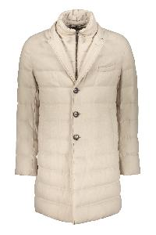 | € 975.00 | 8 |  |  |  |  |  |  |  |  |  |  |  |  |  |  |  |  |  |  |  | 8
PI001064U12531_8600 | Beige jacket with hood and pockets | Clothing | marrone | 100% PL | Padded jacket made of soft beige fabric. Equipped with an adjustable hood and front zip closure with double slider, it features four pockets on the front with buttons and an elongated silhouette. Ideal for protecting you from the elements without sacrificing a modern and casual look. Suitable for everyday use and outdoor activities.; Filling: 80% goose down; 20% goose feather.; 100% Polyester, 100% Polyamide | IT | 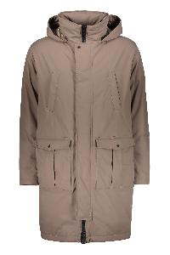 | € 1080.00 | 7 |  |  |  |  |  |  |  |  |  |  |  |  |  |  |  |  |  |  |  | 7
PI001022U12004_1985 | Beige padded jacket with adjustable hood | Clothing | beige | 100% PA | Padded jacket in beige tones, featuring an adjustable hood and front zip closure with snaps. It has front pockets with buttons and drawstrings at the edges for an optimal fit. The simple design makes it versatile for different occasions while maintaining comfort and warmth. Ideal for cold days, it ensures practicality and style. Made with high-quality materials, it is perfect for facing the winter.; Filling: 80% duck down; 20% duck feathers.; 100% Polyamide, 100% Polyester, 85% Polyamide, 15% Elastane | RO | 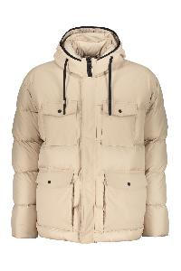 | € 815.00 | 7 |  |  |  |  |  |  |  |  |  |  |  |  |  |  |  |  |  |  |  | 7
IM000320U13218_9300 | Black elegant trench coat with adjustable belt | Clothing | nero | 100% CO | This trench coat features an elegant design in black, with a classic and versatile fit. It is characterized by a front closure with buttons and a waist belt that allows for customizing the silhouette. The long sleeves provide full coverage, making it suitable for transitional seasons. Made from a durable fabric, it is ideal for a refined and protective look. Perfect to pair with both casual and more formal outfits. The internal padded lining is removable.; Filling: 100% polyester; 100% Cotton, 100% Polyamide, 71% Viscose, 29% Polyester, 100% Polyester | IT | 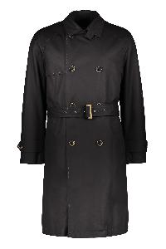 | € 1065.00 | 9 |  |  |  |  |  |  |  |  |  |  |  |  |  |  |  |  |  |  |  | 9
PI001063U12531_9300 | Black jacket with adjustable hood | Clothing | nero | 100% PL | This jacket features a classic and versatile design, made from a durable and high-quality material. It comes with a front zip closure and an adjustable hood, ideal for protecting you from the elements. The sleeves have a comfortable fit, allowing for easy freedom of movement. The black color makes it suitable for any occasion, both casual and formal. It is perfect for enhancing your wardrobe during the cooler seasons.; Filling: 80% goose down; 20% goose feather; 100% Polyester, 100% Polyamide | RO | 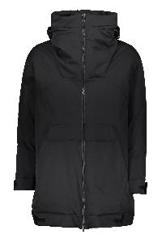 | € 1045.00 | 7 |  |  |  |  |  |  |  |  |  |  |  |  |  |  |  |  |  |  |  | 7
PA000129U33383_9200 | Black padded jacket with adjustable hood | Clothing | nero | 80% WV 20% PA | Black padded jacket with a hood, featuring a front closure with a zip and buttons, and a practical design. The cuffs have a strap with a button, a tailoring detail that completes the sleeves with style and care. Thanks to the hood, it offers protection against the elements, making it ideal for rainy days. The jacket is versatile and easily adapts to different styles and occasions.; Padding: 100% polyester; 80% Virgin wool, 20% Polyamide, 100% Polyamide | IT | 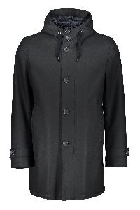 | € 935.00 | 10 |  |  |  |  |  |  |  |  |  |  |  |  |  |  |  |  |  |  |  | 10
PI001044U19288_9200 | Black padded jacket with double-breasted closure | Clothing | nero | 100% PA | Padded jacket in black color, featuring a double-breasted closure with buttons. It has a classic collar and a structured design that offers comfort and warmth. Ideal for cold days, this jacket is suitable for various styles and occasions, perfect for being worn over a sweater or a shirt. Made with high-quality materials, it ensures durability over time and resistance to weather conditions. The inner part is removable.; Padding: 90% goose down; 10% goose feather; 100% Polyamide, 71% Polyamide, 29% Elastane | RO | 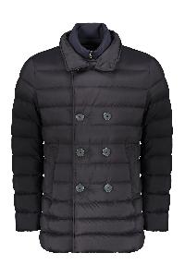 | € 915.00 | 7 |  |  |  |  |  |  |  |  |  |  |  |  |  |  |  |  |  |  |  | 7
PA00027UR33379_9209 | Blue jacket with adjustable hood | Clothing | blu | 90% WO 10% WS | Jacket with a modern and minimalist design, made from an elegant dark blue fabric. It features a front zip closure and an adjustable hood, ideal for protection against the elements. The fit is comfortable, with long sleeves and a length that provides extra coverage. Perfect for being worn on various occasions, from everyday life to outdoor outings. Easy to pair with various outfits and practical to store when not in use.; 90% Wool, 10% Cashmere, 100% Polyester | IT | 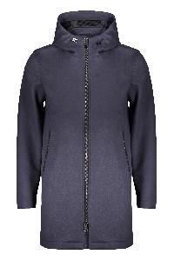 | € 1570.00 | 8 |  |  |  |  |  |  |  |  |  |  |  |  |  |  |  |  |  |  | 1 | 4 | 3
GI000376U39501_9290 | Blue jacket with hood, comfort and style | Clothing | blu | 100% VI | Blue jacket with hood, made from soft and lightweight fabric. Features a front zip closure and two side pockets. Perfect for cool days, it combines style and practicality. Suitable for casual outfits or outdoor activities. Available in various sizes.; Padding: 100% polyester; 100% Viscose, 100% Polyester, 100% Polyamide | IT | 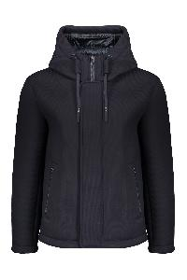 | € 935.00 | 7 |  |  |  |  |  |  |  |  |  |  |  |  |  |  |  |  |  |  |  | 7
PI00332UL12592_9201 | Blue waterproof jacket with hood | Clothing | blu | 100% PL | Waterproof jacket with removable internal padding. Characterized by a simple and functional design. It features a front closure with a zip and buttons, a high collar, and a removable hood. The sleeves have a comfortable fit and the seams are minimal, giving a clean and modern look. Ideal for rainy days or cooler temperatures, this jacket is perfect for a casual and practical look. Made from a durable material, it offers comfort and protection.; Padding: 100% Polyurethane.; 100% Polyester, 100% Polyamide | RO | 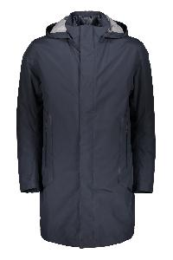 | € 1290.00 | 8 |  |  |  |  |  |  |  |  |  |  |  |  |  |  |  |  |  |  |  | 8
PA000123U12536_2000 | Bomber in eco-fur | Clothing | sabbia | 100% PL | Adjustable hood with drawstring; Two side pockets; 100% Polyester, 100% Cotton, 99% Wool, 1% Polyester | CN | 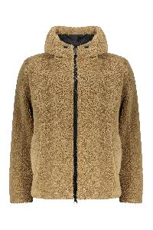 | € 625.00 | 7 |  |  |  |  |  |  |  |  |  |  |  |  |  |  |  |  |  |  |  | 7
GI000308U12480_9999 | Bomber in eco-fur | Clothing | multicolor | 100% PL | Hooded bomber featuring a vibrant multicolored camouflage pattern, including shades of orange, green, and blue. It has a front zipper closure, side pockets, and an adjustable drawstring at the hood. Made from a soft and comfortable fabric, perfect for a casual and dynamic look. Ideal for adding a pop of color to your wardrobe. Available in various sizes.; 100% Polyester | IT | 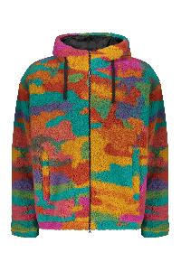 | € 606.00 | 8 |  |  |  |  |  |  |  |  |  |  |  |  |  |  |  |  |  |  |  | 8
PI001034U12346S_8993 | Brown padded jacket with adjustable hood | Clothing | marrone | 87% PA 13% EA | Padded jacket in brown color. It features a central zipper closure and two front pockets with a flap for practical use. The inner part is removable, making the fit comfortable, ideal for seasonal transitions and for facing chilly days. Made with durable materials, this jacket combines functionality and style, perfect for a casual and versatile look.; Padding: 100% polyester; Padding: 80% goose down; 20% goose feathers; 87% Polyamide, 13% Elastane, 100% Polyamide | IT | 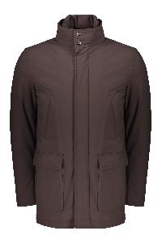 | € 965.00 | 5 |  |  |  |  |  |  |  |  |  |  |  |  |  |  |  |  |  |  |  | 5
GA0098U38020_9290 | Cashmere coat | Clothing | blu | 100% WS | Lapel collar; Two front pockets and chest pocket; Removable lining; Padding: 100% polyester; 100% Cashmere, 100% Polyamide | IT | 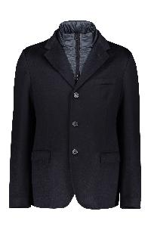 | € 1565.00 | 2 |  |  |  |  |  |  |  |  |  |  |  |  |  |  |  |  |  |  |  |  |  |  |  |  |  | 1 | 1
GI000366U38020_5880 | Cashmere jacket | Clothing | arancione | 100% WS | Two front pockets; Adjustable drawstring hem; Regular fit; Padding: 100% polyester; 100% Cashmere, 100% Polyamide | IT | 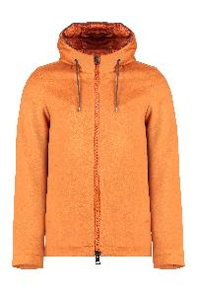 | € 1645.00 | 32 |  |  |  |  |  |  |  |  |  |  |  |  |  |  |  | 1 |  |  | 6 | 13 | 7 | 3 | 2
MG00014UR71009_9010 | Cashmere sweater | Clothing | azzurro | 100% WS | Ribbed collar and edges; 100% Cashmere | IT | 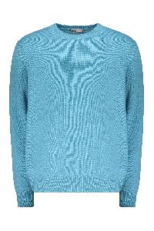 | € 770.00 | 12 |  |  |  |  |  |  |  |  |  |  |  |  |  |  |  |  |  |  |  | 8 | 2 | 1 | 1
PI000953U12476P_9325 | Checked hoodie | Clothing | marrone | 100% PL | Reversible gilet made from checked fabric, characterized by a combination of colors in shades of brown and gray. It features a front zip closure and two side pockets. The design includes a hood, adding a touch of practicality and style. Perfect for chilly days, this gilet is ideal for pairing with various casual outfit options.; Padding: 90% duck down; 10% duck plumage.; 100% Polyester, 100% Polyamide, 85% Polyamide, 15% Elastane | IT | 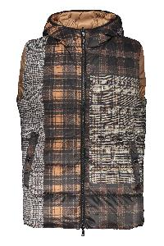 | € 612.00 | 4 |  |  |  |  |  |  |  |  |  |  |  |  |  |  |  |  |  |  |  | 4
PA000105U33342_9045 | Coat with adjustable hood | Clothing | turchese | 100% WO | Lightweight coat with adjustable hood in a vibrant blue tone, characterized by a front zip and snap button closure. The sleeves are of medium length, with practical details such as the four pockets on the front. The jacket features a colorful lining that adds a touch of style. Made with breathable fabric, it is ideal for rainy days or for a casual and modern look. Perfect for a variety of outdoor activities.; 100% Wool, 100% Polyester | IT | 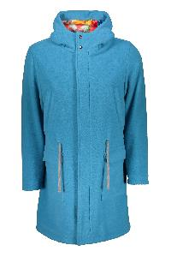 | € 1020.00 | 9 |  |  |  |  |  |  |  |  |  |  |  |  |  |  |  |  |  |  |  | 9
PI000954U12474P_9999 | Colored winter vest with logo print | Clothing | multicolor | 100% PL | Winter vest characterized by a lively and colorful design, made with a print of stylized letters in shades of green, blue, orange, and pink on a light background. The vest has a comfortable fit, with a high collar and a front closure, ideal for adding a touch of personality to your outfit. Perfect for casual outfits and everyday use, this vest is an excellent choice for those who love to express their creativity through fashion.; Padding: 70% goose down; 30% goose feathers.; 100% Polyester | IT | 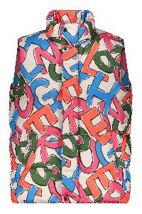 | € 768.00 | 6 |  |  |  |  |  |  |  |  |  |  |  |  |  |  |  |  |  |  |  | 6
JG000188U50017_9200 | Cotton crew-neck sweatshirt | Clothing | blu | 100% CO | Ribbed edges; 100% Cotton | TR | 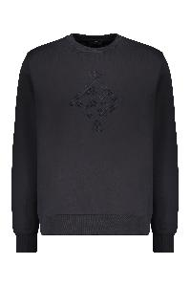 | € 170.00 | 4 |  |  |  |  |  |  |  |  |  |  |  |  |  |  |  |  |  |  |  |  |  |  |  | 3 | 1
JG00018UR50017_4000 | Cotton crew-neck sweatshirt | Clothing | rosa | 100% CO | Flap pocket on the left sleeve; Ribbed edges; 100% Cotton | TR | 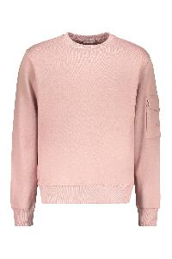 | € 185.00 | 12 |  |  |  |  |  |  |  |  |  |  |  |  |  |  |  |  |  | 1 |  | 9 | 2
JG00018UR50017_9120 | Cotton crew-neck sweatshirt | Clothing | azzurro | 100% CO | Flap pocket on the left sleeve; Ribbed edges; 100% Cotton | TR | 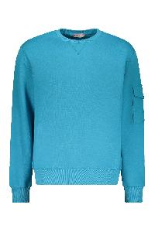 | € 185.00 | 44 |  |  |  |  |  |  |  |  |  |  |  |  |  |  |  | 3 |  | 4 | 2 | 15 | 11 | 9
JG000188U50017_8993 | Cotton crew-neck sweatshirt | Clothing | marrone | 100% CO | Ribbed edges; 100% Cotton | TR | 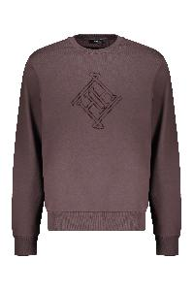 | € 170.00 | 93 |  |  |  |  |  |  |  |  |  |  |  |  |  |  |  |  |  | 15 | 6 | 29 | 25 | 11 | 7
JG00018UL50017_3350 | Cotton hoodie | Clothing | giallo | 100% CO | It is part of the Herno Laminar Couture Engineering label, a collection that represents the evolution of Laminar; Front logo print; 100% Cotton | TR | 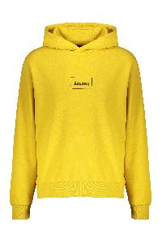 | € 186.00 | 2 |  |  |  |  |  |  |  |  |  |  |  |  |  |  |  |  |  |  |  |  |  |  | 2
JG00018UL50017_7250 | Cotton hoodie | Clothing | verde | 100% CO | It is part of the Herno Laminar Couture Engineering label, a collection that represents the evolution of Laminar; Front logo print; 100% Cotton | TR | 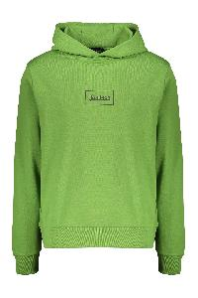 | € 186.00 | 7 |  |  |  |  |  |  |  |  |  |  |  |  |  |  |  |  |  |  |  |  | 3 | 2 | 2
JG0011U52016_1000 | Cotton T-shirt | Clothing | bianco | 100% CO | Front embroidered logo; 100% Cotton, 100% Polyamide | RO | 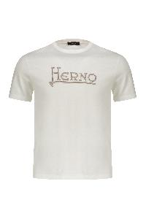 | € 140.00 | 8 |  |  |  |  |  |  |  |  |  |  |  |  |  |  |  | 6 |  | 2
PI001041U12004_7970 | Dark green down jacket modern and minimalist | Clothing | verde | 100% PA | Padded jacket in dark green color, characterized by a modern and minimalist design. The jacket features a removable internal panel, a high collar, and a front closure with zipper and buttons offering comfort and protection from the cold. The sleeves are long and the fit is regular. The outer material is easy to clean, while the padding provides warmth and lightness. Ideal for cold days, this jacket is perfect for being paired with different casual outfits.; Padding: 100% polyester; Padding: 80% duck down; 20% duck feather; 100% Polyamide, 80% Wool, 20% Polyamide, 100% Polyamide | RO | 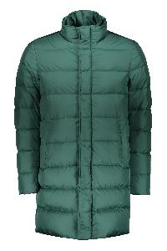 | € 925.00 | 6 |  |  |  |  |  |  |  |  |  |  |  |  |  |  |  |  |  |  |  | 6
PA000126U33344_7970 | Dark green jacket elegant and functional | Clothing | verde | 75% WV 25% PA | Jacket in a stylish dark green, characterized by a practical and functional design. It features a zip and button closure, along with an integrated hood for extra protection. The pockets offer space for small items, while the long cut ensures comfort and versatility. Made with high-quality materials, it is ideal for facing variable weather conditions. Perfect for a casual and trendy look in everyday life.; Padding: 100% polyester; 75% Virgin wool, 25% Polyamide, 100% Polyamide | IT | 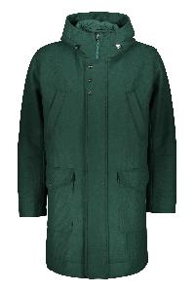 | € 1135.00 | 10 |  |  |  |  |  |  |  |  |  |  |  |  |  |  |  |  |  |  |  | 10
PE000037U33344_8993 | Double-breasted coat | Clothing | marrone | 75% WV 25% PA | Coat made of dark brown fabric, characterized by a double-breasted closure with buttons. It features a classic collar and two side pockets, offering an elegant and versatile design. The sleeves are long, and the cut is straight, ensuring comfort and style. Ideal for casual or more formal outfits, perfect for autumn and winter seasons. Easy to match with various clothing items; Padding: 100% polyester.; 75% Virgin wool, 25% Polyamide, 100% Polyamide | IT | 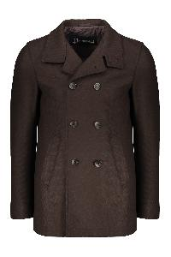 | € 860.00 | 10 |  |  |  |  |  |  |  |  |  |  |  |  |  |  |  |  |  |  |  | 10
PE000038U33260_9406 | Double-breasted gray elegant jacket | Clothing | grigio | 93% WV 7% WS | Elegant jacket with a double-breasted design, characterized by a soft gray color. It features a refined finish and a contrasting eco-fur collar that adds a touch of style. The long sleeves provide warmth and comfort, making it perfect for the mid-seasons. Ideal for both formal and casual outfits, this jacket is a versatile piece to have in your wardrobe.; Padding: 100% polyester; 93% Virgin wool, 7% Cashmere, 100% Polyester, 100% Polyamide | IT | 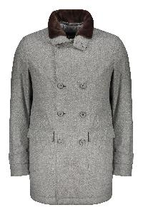 | € 1390.00 | 5 |  |  |  |  |  |  |  |  |  |  |  |  |  |  |  |  |  |  |  | 5
PI00340UL12806_9394 | Down jacket with hood and zip | Clothing | nero | 100% PA | Down jacket characterized by an elegant dark gray and black pattern. The front zip closure and integrated hood offer practicality and protection from the cold. Made with a soft-touch material, this jacket is designed to ensure comfort and warmth on the coldest days. The fit is comfortable, suitable for a casual and modern look. Ideal for outdoor activities or everyday use.; Filling: 80% goose down; 20% goose feathers; Filling: 100% polyester; 100% Polyamide, 85% Polyamide, 15% Elastane | IT | 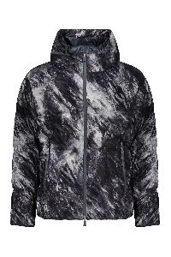 | € 1050.00 | 5 |  |  |  |  |  |  |  |  |  |  |  |  |  |  |  |  |  |  |  | 5
PI001077U17127_9406 | Down jacket with zipper and automatic buttons | Clothing | grigio | 100% SE | Down jacket characterized by an elegant and modern design. Made in a delicate gray color, it features a high collar with a removable eco-fur insert. The front closure consists of a combination of zip and automatic buttons, ensuring protection from the cold. The side pockets, also with zip, offer practicality and functionality. The quilted structure not only gives a stylish look but also provides warmth and comfort. Suitable for the cooler days, this jacket is perfect for being paired with casual and sporty looks.; Filling: 90% goose down; 10% goose feather.; 100% Silk, 100% Polyester, 100% Polyamide, 44% Acrylic, 44% Wool, 10% Polyamide, 2% Elastane | RO | 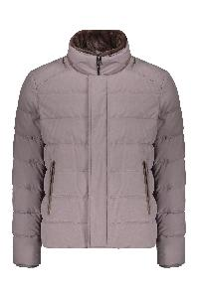 | € 1665.00 | 10 |  |  |  |  |  |  |  |  |  |  |  |  |  |  |  |  |  |  |  | 10
PE000036U33318_9200 | Elegant black winter jacket with buttons | Clothing | nero | 90% WV 10% WS | Winter jacket with an elegant style, made of a soft and durable fabric. It features a double-breasted closure with buttons, adding a touch of class. The details of the collar and sleeves add further elegance. The jacket is black in color, offering versatility for different combinations. The internal padded panel is removable. Suitable for formal and casual occasions, it ensures comfort and warmth. Available in various sizes.; Padding: 100% polyester.; 90% Virgin wool, 10% Cashmere, 100% Polyamide | IT | 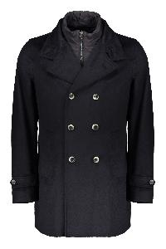 | € 1125.00 | 6 |  |  |  |  |  |  |  |  |  |  |  |  |  |  |  |  |  |  |  | 6
CA000178U12522_9200 | Elegant coat made of high quality fabric | Clothing | blu | 100% PL | This elegant coat is characterized by a classic and sophisticated design, made from a high-quality fabric that offers comfort and style. It features a removable padded inner panel, a closure with three buttons, and is equipped with two practical front pockets. The revisited collar adds a modern touch, while the fit allows for easy layering. This garment is ideal for formal occasions and can be easily matched with different outfits, perfect for the autumn and winter seasons. Available in a refined shade of black.; Padding: 100% polyester; 100% Polyester, 100% Polyamide, 55% Wool, 29% Polyester, 8% Polyamide, 7% Silk, 1% Elastane | IT | 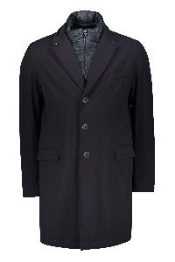 | € 795.00 | 8 |  |  |  |  |  |  |  |  |  |  |  |  |  |  |  |  |  |  |  | 8
PT000016U17127_9406 | Elegant flared trousers with adjustable belt | Clothing | grigio | 100% SE | Pants in solid color, characterized by a comfortable fit and an elegant line. They feature front pleats that add a touch of style and a professional appearance. The waist is finished with a belt and the legs are slightly flared, offering a refined look. Made from a soft and breathable fabric, these pants are ideal for various occasions, from work to formal events. Available in various sizes to ensure the best fit.; 100% Silk | IT | 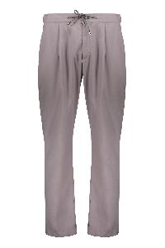 | € 720.00 | 11 |  |  |  |  | 11
MC000149U70016_1985 | Elegant jacket with hood and pockets | Clothing | avorio | 100% WO | This garment is an elegant light-toned jacket, made with a soft and welcoming fabric. It features a button closure and a practical hood for added protection. The silhouette includes two side pockets, ideal for storing small items or keeping your hands warm. Perfect for cool days, it offers a mix of comfort and style, making it a versatile addition to your wardrobe.; Filling: 100% polyester.; 100% Wool, 100% Polyamide | MD | 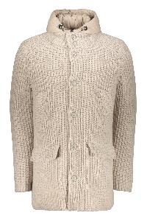 | € 1195.00 | 5 |  |  |  |  |  |  |  |  |  |  |  |  |  |  |  |  |  |  |  | 5
PI00321UL11106_9290 | Full zip down vest | Clothing | nero | 100% PL | Waterproof, windproof and breathable item; Two-way zipper closure; Two front pockets; Padding: 80% Goose Down; 20% Goose feather; 100% Polyester, 100% Polyamide | RO | 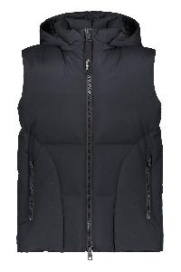 | € 695.00 | 1 |  |  |  |  |  |  |  |  |  |  |  |  |  |  |  |  |  |  |  |  |  |  |  | 1
PI00304UL12590S_9290 | Full zip down vest | Clothing | nero | 89% PA 11% EA | Waterproof, windproof and breathable item; Two-way zipper closure; Two front pockets; Padding: 70% Goose Down; 30% polyester; 89% Polyamide, 11% Elastane | RO | 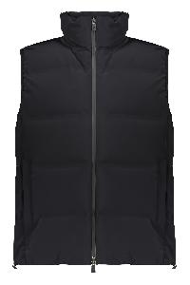 | € 825.00 | 2 |  |  |  |  |  |  |  |  |  |  |  |  |  |  |  | 1 |  | 1
JP00011UR56010_1391 | Full zip hoodie | Clothing | avorio | 80% WO 20% PA | Padded front panels; Padding: 90% Goose Down; 10% Goose feather; 80% Wool, 20% Polyamide | IT | 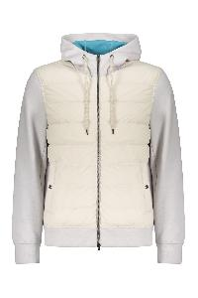 | € 795.00 | 4 |  |  |  |  |  |  |  |  |  |  |  |  |  |  |  |  |  | 1 | 1 |  | 2
GI000368U33186_9400 | Gray dark soft and durable jacket | Clothing | grigio | 100% WV | Casual jacket made of soft and durable fabric, characterized by a dark gray color. It features a front closure with a zipper and a collar that provides comfort and protection. Two front pockets with flaps offer practicality and space for small items. The jacket has a simple and versatile design, ideal for both casual and more elegant outfits. Perfect for the autumn and winter seasons, it is an excellent choice for those seeking style and functionality.; Padding: 100% polyester.; 100% Virgin wool, 100% Polyester, 100% Polyamide, 44% Acrylic, 44% Wool, 10% Polyamide, 2% Elastane | IT | 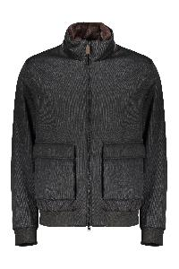 | € 1155.00 | 6 |  |  |  |  |  |  |  |  |  |  |  |  |  |  |  |  |  |  |  | 6
PI100UL11121_7250 | Green jacket with adjustable hood | Clothing | verde | 100% PL | Padded jacket made in a vibrant green color. It features a front zip closure and an adjustable hood for optimal protection. The side pockets offer space for small items. The design is functional and suitable for various weather conditions, making this garment ideal for outdoor activities or everyday use. The material ensures comfort and versatility for any adventure.; Filling: 80% goose down; 20% goose feather.; 100% Polyester, 100% Polyamide, 72% Polyamide, 28% Elastane | RO | 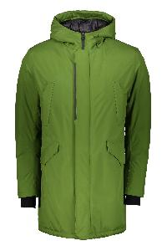 | € 930.00 | 5 |  |  |  |  |  |  |  |  |  |  |  |  |  |  |  |  |  |  |  | 5
PE000040U33387R_9200 | Grey elegant and versatile coat | Clothing | grigio | 70% WO 30% PA | Gray fabric coat, characterized by an elegant cut and a classic fit. It features a removable padded inner panel, a lapel collar, and a double-breasted closure with front buttons. Ideal for both formal and informal occasions. Perfect for facing the fresher seasons, this jacket combines style and comfort, making it a versatile addition to the male wardrobe.; Padding: 100% polyester; 70% Wool Recycled, 30% Polyamide, 100% Polyamide | IT | 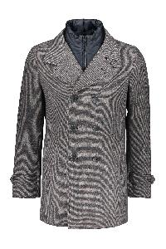 | € 995.00 | 5 |  |  |  |  |  |  |  |  |  |  |  |  |  |  |  |  |  |  |  | 5
MC00024UR76021_9010 | High collar zipped cardigan | Clothing | grigio | 57% PA 42% WP 1% EA | Ribbed edges; 57% Polyamide, 42% Alpaca wool, 1% Elastane | IT | 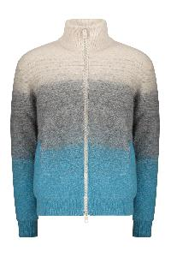 | € 880.00 | 20 |  |  |  |  |  |  |  |  |  |  |  |  |  |  |  |  |  |  | 4 | 11 | 3 | 2
GI000365U33318_9300 | Hooded black sweatshirt | Clothing | nero | 90% WV 10% WS | Hooded sweatshirt in black color, featuring a front zip closure and padded hood. The design showcases a modern and casual cut, ideal for a sporty and versatile look. The cuffs and the lower hem are elasticized for a comfortable fit, and the material is soft to the touch, perfect for everyday use. Elegant and practical, it is a must-have in the wardrobe.; Padding: 90% goose down; 10% goose feather.; 90% Virgin wool, 10% Cashmere, 100% Polyamide, 100% Polyester, 45% Acrylic, 45% Wool, 8% Polyamide, 2% Elastane | IT | 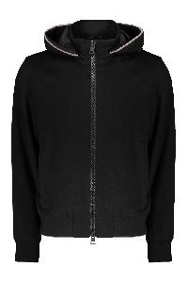 | € 940.00 | 9 |  |  |  |  |  |  |  |  |  |  |  |  |  |  |  |  |  |  |  | 9
PI0767U12403_6900 | Hooded bodywarmer | Clothing | rosso | 100% PA | Removable hood; Two-way zipper closure; Two front pockets; Padding: 70% Goose Down; 30% polyester; 100% Polyamide, 85% Polyamide, 15% Elastane | RO | 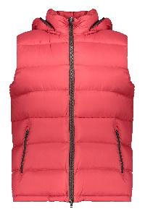 | € 615.00 | 6 |  |  |  |  |  |  |  |  |  |  |  |  |  |  |  |  |  |  |  | 6
PI00299UL11106_9300 | Hooded down jacket | Clothing | nero | 100% PL | Waterproof, windproof and breathable item; Adjustable hood; Multi-pocket garment; Padding: 80% Goose Down; 20% Goose feather; 100% Polyester, 100% Polyamide, 72% Polyamide, 28% Elastane | RO | 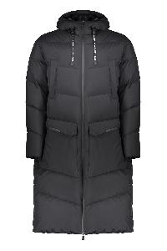 | € 1025.00 | 1 |  |  |  |  |  |  |  |  |  |  |  |  |  |  |  |  |  |  |  |  |  |  | 1
PI000882U12358_5850 | Hooded down jacket | Clothing | corallo | 100% PA|100% WO | Adjustable hood; Two-way zip closure under the buttoned placket; Logo detail buttons; Four front pockets; Wool trimming; Two internal pockets; Drawstring waist; Padding: 100% polyester; Padding: 70% down; 30% feather; 100% Polyamide, 100% Polyester, 100% Wool | IT | 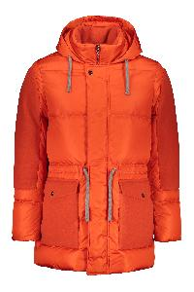 | € 964.00 | 2 |  |  |  |  |  |  |  |  |  |  |  |  |  |  |  |  |  |  |  | 1 | 1
PI00258UL12695_3350 | Hooded down jacket | Clothing | giallo | 100% PA | It is part of the Herno Laminar Couture Engineering label, a collection that represents the evolution of Laminar; Waterproof and insulating technical fabric; Contrasting color lining; Elastic cuffs; Adjustable drawstring hood; Two-way zip closure under the buttoned placket; Two front zippered pockets; Padding: 100% polyester; Padding: 80% Goose Down; 20% Goose feather; 100% Polyamide, 28% Elastane, 72% Polyamide | RO | 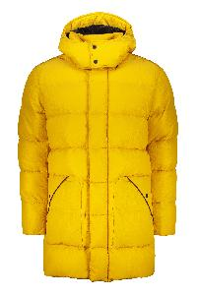 | € 896.00 | 9 |  |  |  |  |  |  |  |  |  |  |  |  |  |  |  |  |  |  | 1 | 8
PI00240UL11121_3350 | Hooded down jacket | Clothing | giallo | 100% PL | It is part of the Herno Laminar Couture Engineering label, a collection that represents the evolution of Laminar.; Two side zip pockets; Internal zippered pocket; Adjustable drawstring hem; Removable and adjustable drawstring hood; Padding: 80% Goose Down; 20% Goose feather; 100% Polyester, 28% Elastane, 72% Polyamide, 100% Polyamide | RO | 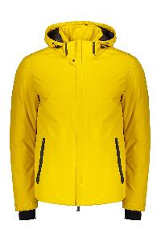 | € 790.00 | 13 |  |  |  |  |  |  |  |  |  |  |  |  |  |  |  |  |  |  |  | 12 | 1
PI001065U12020_4745 | Hooded down jacket | Clothing | viola | 100% PA | Adjustable drawstring hood; Striped cuffs and bottom edge; Front patch; Padding: 100% polyester; Padding: 90% Goose Down; 10% Goose feather; 100% Polyamide, 98% Polyamide, 2% Elastane, 75% Polyester, 25% Viscose | IT | 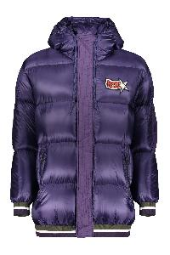 | € 995.00 | 22 |  |  |  |  |  |  |  |  |  |  |  |  |  |  |  |  |  |  | 2 | 14 | 5 | 1
PI00088UR12431S_1985 | Hooded down jacket | Clothing | avorio | 86% PA 14% EA | Two-way zipper closure; Two front pockets; Folding model; Padding: 70% goose down; 30% polyester; 86% Polyamide, 14% Elastane | RO |  | € 755.00 | 32 |  |  |  |  |  |  |  |  |  |  |  |  |  |  |  |  |  |  | 2 | 12 | 7 | 7 | 1 | 2 | 1
PI001026U33186_8940 | Hooded full-zip down jacket | Clothing | marrone | 100% WV | Two front pockets; Zippered closure hidden by the flap; Padding: 80% Goose Down; 20% Goose feather; 100% Virgin wool, 100% Polyamide, 100% Polyester | IT |  | € 1540.00 | 4 |  |  |  |  |  |  |  |  |  |  |  |  |  |  |  |  |  |  | 1 | 3
GI000306U12343_3550 | Hooded jacket | Clothing | Senape | 100% PL | Padded jacket with hood, made in a stylish mustard color. It features a front closure with a zip and a modern, minimalist design. The hood provides extra protection against the wind. Perfect for spring days or outdoor activities, this jacket combines style and functionality. Ideal for wearing over t-shirts or sweatshirts. Lining in eco-fur.; Filling: 100% polyester.; 100% Polyester, 100% Polyamide | IT |  | € 572.00 | 3 |  |  |  |  |  |  |  |  |  |  |  |  |  |  |  |  |  |  |  | 3
GC000066U33344_6500 | Hooded jacket | Clothing | rosso | 75% WV 25% PA | Jacket with a hood characterized by a vibrant red hue. It features a front zipper closure, two pockets on the front with buttons, and a well-finished seam. The design is practical and versatile, suitable for a variety of occasions, both casual and outdoor. The jacket is designed to provide comfort and protection, perfect for the cooler days.; Padding: 100% polyester.; 75% Virgin wool, 25% Polyamide, 100% Polyamide | IT |  | € 858.00 | 7 |  |  |  |  |  |  |  |  |  |  |  |  |  |  |  |  |  |  |  | 7
PI001079U12220_7970 | Hooded shiny down jacket | Clothing | verde | 100% PA | Adjustable drawstring hood; Two front zippered pockets; Padding: 80% down; 20% feather; 100% Polyamide | RO |  | € 635.00 | 1 |  |  |  |  |  |  |  |  |  |  |  |  |  |  |  |  |  |  | 1
PI001079U12220_6900 | Hooded shiny down jacket | Clothing | rosso | 100% PA | Adjustable drawstring hood; Two front zippered pockets; Padding: 80% down; 20% feather; 100% Polyamide | AM |  | € 635.00 | 65 |  |  |  |  |  |  |  |  |  |  |  |  |  |  |  |  |  | 8 | 18 | 16 | 10 | 11 | 2
JG00020UR56011_9200 | Hooded sweatshirt | Clothing | blu | 61% WV 37% PA 2% EA | Ribbed cuffs and lower edge; 61% Virgin wool, 37% Polyamide, 2% Elastane | IT |  | € 625.00 | 1 |  |  |  |  |  |  |  |  |  |  |  |  |  |  |  |  |  |  | 1
JG000185U50062_2000 | Hooded sweatshirt | Clothing | marrone | 100% CO | Ribbed cuffs and lower edge; 100% Cotton | RO |  | € 235.00 | 33 |  |  |  |  |  |  |  |  |  |  |  |  |  |  |  |  |  |  | 3 | 16 | 8 | 4 | 1 | 1
JG000185U50062_4745 | Hooded sweatshirt | Clothing | viola | 100% CO | Ribbed cuffs and lower edge; 100% Cotton | RO |  | € 235.00 | 38 |  |  |  |  |  |  |  |  |  |  |  |  |  |  |  |  |  | 1 | 6 | 14 | 11 | 6
IM038UL11101_9201 | Hooded techno fabric raincoat | Clothing | blu | 100% PL | Water-resistant and windproof fabric; Elastic cuffs; Back slit hem; 100% Polyester, 28% Elastane, 72% Polyamide | RO |  | € 750.00 | 4 |  |  |  |  |  |  |  |  |  |  |  |  |  |  |  | 1 |  | 1 |  |  |  |  |  | 2
FI000085U12343_8888 | Jacket with zip closure and buttons | Clothing | marrone | 100% PL | Lightweight jacket with a modern and elegant design, made from a soft and durable material. It features a front closure with a zip. Two front pockets offer practicality and comfort. The jacket is lined with eco-fur fabric, the neutral color easily matches different outfits, making it ideal for various occasions, from everyday use to outdoor walks. Perfect for the mid-season.; Padding: 100% polyester.; 100% Polyester, 100% Polyamide | IT |  | € 665.00 | 9 |  |  |  |  |  |  |  |  |  |  |  |  |  |  |  |  |  |  |  | 9
PL000118U18122_1985 | Leather jacket made of lamb | Clothing | avorio | 100% MONTONE (OVIS ARIES) | Jacket ivory, made of a soft and durable fabric. It features a shirt collar and a front closure with buttons. The jacket is made of real sheep fur. There are two front pockets, ideal for storing small items. This jacket offers a simple yet elegant design, perfect for daily use and informal occasions. The fit is comfortable, making it suitable for various styles. The entire part is removable.; Filling: 100% polyester; 100% Montonesuede, 100% Polyamide, 44% Acrylic, 44% Wool, 10% Polyamide, 2% Elastane | IT |  | € 3344.00 | 5 |  |  |  |  |  |  |  |  |  |  |  |  |  |  |  |  |  |  |  | 5
PI000930U38087_9410 | Light gray padded jacket elegant and modern | Clothing | grigio | 51% SE 49% WS | Winter jacket padded in light gray color, featuring an elegant and modern design. It has a collar with lapels and a button closure, with side pockets. The removable padded structure provides warmth and comfort, making it suitable for formal and casual occasions. Made with high-quality materials, it is ideal for facing cold days with style.; Filling: 100% polyester; Filling: 90% duck down; 10% duck feather; 51% Silk, 49% Cashmere, 100% Polyester, 100% Polyamide | IT |  | € 1750.00 | 2 |  |  |  |  |  |  |  |  |  |  |  |  |  |  |  |  |  | 1 | 1
GI000375U12538_1985 | Lightweight jacket with hood for every occasion | Clothing | avorio | 92% PL 8% EA | Lightweight jacket with hood, featuring a simple and modern design. Made from a soft and comfortable fabric, the jacket has a front zip closure and side pockets. The neutral color allows easy pairing with different outfits, making it ideal for everyday use. Perfect for the mid-seasons, it offers excellent fit and versatility.; Padding: 100% polyester.; 92% Polyester, 8% Elastane, 100% Polyamide | IT |  | € 780.00 | 8 |  |  |  |  |  |  |  |  |  |  |  |  |  |  |  |  |  |  |  | 8
GI00039UR33381_1985 | Lightweight jacket with hood, versatile and practical | Clothing | avorio | 75% WV 25% PA | Lightweight jacket with a hood, made of a soft and durable fabric. It features a front zipper and side pockets with button. The simple and versatile design makes this piece suitable for various occasions, providing comfort and practicality. Available in a neutral shade that easily matches different outfits. Ideal for cool days and outdoor activities.; 75% Virgin wool, 25% Polyamide, 100% Polyester | RO |  | € 890.00 | 3 |  |  |  |  |  |  |  |  |  |  |  |  |  |  |  |  |  |  |  | 2 |  | 1
MP000124U70120_7730 | Lightweight padded jacket with versatile design | Clothing | verde | 70% WV 30% WS | Lightweight jacket with front zip closure, designed with two fabrics. The upper part is padded for extra comfort, while the bottom is made of stretch knitted fabric. The long sleeves and the back of the jacket are lined with knit and provide warmth without compromising freedom of movement. Ideal for casual styles and outdoor activities, this jacket is versatile and easy to match. Available in a distinctive brown shade, perfect for the autumn and winter seasons.; Padding: 90% goose down; 10% goose feather.; 70% Virgin wool, 30% Cashmere, 100% Polyester, 100% Polyamide | MD |  | € 915.00 | 4 |  |  |  |  |  |  |  |  |  |  |  |  |  |  |  |  |  |  |  | 4
PI001085U13169_9200 | Lightweight, modern and trendy winter jacket | Clothing | blu | 100% CO | The winter jacket features a padded design with horizontal stripe stitching, offering a modern and fashionable appearance. The front closure is with a zipper, and the high collar provides greater protection against the cold. Available in an elegant dark shade, it is ideal for casual occasions and for facing cooler days in style. Perfect to match with jeans and sporty trousers.; Filling: 80% goose down; 20% goose feather.; 100% Cotton, 100% Polyamide | RO |  | € 795.00 | 6 |  |  |  |  |  |  |  |  |  |  |  |  |  |  |  |  |  |  |  | 6
PI00315UL12692_9201 | Long dark blue jacket with hood | Clothing | blu | 100% PL | Jacket made of dark blue fabric, equipped with a hood. It features a front closure with a zip and several pockets with zips and buttons on the front for greater practicality. Minimalist and modern design, ideal for cold days. The jacket is designed to provide comfort and warmth, making it perfect for daily use or outdoor activities.; Filling: 80% goose down; 20% goose feather.; 100% Polyester, 100% Polyamide, 72% Polyamide, 28% Elastane | RO |  | € 955.00 | 6 |  |  |  |  |  |  |  |  |  |  |  |  |  |  |  |  |  |  |  | 6
PI00329UL12695_9290 | Long down jacket | Clothing | nero | 100% PA | Down jacket characterized by a modern and essential design. Made with an elegant finish, it features a front zipper closure and an integrated hood for extra protection. The geometric lines of the padded fabric offer warmth without compromising style. Perfect for facing cold days, it is ideal for a casual and functional look. Available in different sizes to fit every silhouette.; Padding: 100% polyester; Padding: 80% goose down; 20% goose feather; 100% Polyamide, 72% Polyamide, 28% Elastane | RO |  | € 1015.00 | 6 |  |  |  |  |  |  |  |  |  |  |  |  |  |  |  |  |  |  |  | 6
PI00299UL11106_9290 | Long down jacket with adjustable hood | Clothing | nero | 100% PL | Long down jacket, made from a black technical fabric. It features a loose fit and a straight silhouette, with a front zip closure. The hood is lined and equipped with adjustable drawstrings, along with zips and front pockets. Ideal for cold days, it offers comfort and warmth without compromising on style. Perfect for a casual and functional look during winter.; Padding: 80% goose down; 20% goose feather.; 100% Polyester, 100% Polyamide, 72% Polyamide, 28% Elastane | RO |  | € 1025.00 | 4 |  |  |  |  |  |  |  |  |  |  |  |  |  |  |  |  |  |  |  | 4
PI001037U38087_1200 | Long down jacket with hood | Clothing | bianco | 51% SE 49% WS | White down jacket with hood and front zip and automatic button closure. It features a long design that provides greater coverage and comfort. The jacket is equipped with side pockets, perfect for storing small items or keeping your hands warm. The outer material is durable and suitable for facing low temperatures, while the padding ensures optimal warmth. Ideal for winter and casual occasions, this jacket easily adapts to different styles.; Padding: 100% polyester; Padding: 90% goose down; 10% goose feather; 51% Silk, 49% Cashmere, 100% Polyamide | IT |  | € 2135.00 | 8 |  |  |  |  |  |  |  |  |  |  |  |  |  |  |  |  |  |  |  | 8
...

